1. Title Page
Instacart Basket Analysis

Project Name: Instacart Basket Analysis
Date: 9/15/2022
Analyst Name: David DeRoeck

Contents:
Population Flow
Consistency checks
Wrangling steps
Column derivations
Visualizations
Recommendations

The Instacart Online Grocery Shopping Dataset 2017”, Accessed from https://www.instacart.com/datasets/grocery-shopping-2017 on 7/20/2022.
The customer data and the “prices” column in the products data set were both fabricated for the purpose of this analysis.
“The Instacart Online Grocery Shopping Dataset 2017”, Accessed from https://www.instacart.com/datasets/grocery-shopping-2017 on 7/20/2022.

2. Population Flow
Title page

Population flow

Exclusion flag
Condition: max_order < 5
Obervations to be removed: 1,441,488
Final total count of order_products_all: 30,197,745

Orders_products_combined
Orders_products_merged
Orders_products_all

Total: 32,433,030
Total: 32,434,489
Total: 32,433,030

1.) The grey boxes in the first row of the population flow represent the original data sets as they were when you downloaded them. In the Total fields you need to add the count of the rows when you imported the data set into Jupyter.
2.) The second row of boxes (coloured) represents the data sets after you manipulated them, e.g., removed missing values and duplicates. In the Total fields you need to add the count of the rows after conducting these operations. This offers a visual oveview of how the data flows throughout the data consistency checks.
3.) The third row, where also the arrows are coloured, represents the merges you performed between the datasets. In the Total fields you need to add the count of the rows in the merged datasets, so that you end up with the final dataset (in the red box). Keep in mind the final dataset should be without exclusions (based on the exclusion flag).

3. Consistency checks
 |  |  |  | Title page
Consistency checks

Dataset | Missing values | Missing values treatment | Duplicates
orders | 206209 NaN in 'days_since_prior_order' column | Left as-is. NaN values indicate first order for user_id | None
products | 1) 16 NaN values in 'product_name' column 2) 2 products with outlier prices (decimal error) | 1) Removed missing values 2) Converted prices to most reasonable replacement (multiplied by .0001) | Removed
orders_products_prior | None | Not needed | None
customers | 11259 NaN in 'first_name' column | Dropped 'first_name' column as it is not necessary for our analysis | None

4. Wrangling steps
 |  |  |  | Title page
Wrangling steps

Columns dropped | Columns renamed | Columns' type changed | Comment/Reason
eval_set, _merge, priority |  |  | Not necessary for analysis.
first_name, last_name, |  |  | Removes PII
 | n_dependants > dependants |  | Clarity and readability
 |  | order_number, order_dow, order_hour_of_day, reordered, department_id, max_order, dependants columns changed to 'int8' | Memory optimization
 |  | days_since_prior_order, avg_prod_price, avg_order_frequency columns change to 'float32' | After confirming NaN values as 0 in days_since_prior_order converting NaN to 0 and redicing type to 'float32' for memory optimization
 |  | price_range, busiest_day, busiest_period_of_day, loyalty_flag, spend_cat, order_frequency, gender, and fam_status columns changed to Categorical | Greatly improves memory usage as string values were taking up a lot of memory. Also, because these flag values are mostly hierarchical I could add a hierarchy to the categorical data yype for easier visualizations and grouping

5. Column derivations
 |  |  |  | Title page

Column derivations and aggregations

In this tab you should add tables below that the frequences of flags/label variables that you produced after deriving them. NB: don't do this for continuous variables, only for flags.
Dataset | New column | Column/s it was derived from | Conditions
order_products_merged | 1) price_range 2) busiest_day 3) busiest_days 4) busiest_period_of_day | 1) prices 2) order_dow 3) order_dow 4) order_hour_of_day | 1) price_range price <= 5: 'low-range product' 5 < price <= 15: 'mid-range product' price > 15: 'high-range product' 2) busiest_day order_dow == 0: 'busiest day' order_dow == 4: 'least busy' else: 'regulary busy' 3) busiest_days order_dow == 0 or 1: 'busiest days' order_dow == 3 or 4: 'least busy' else: 'regularly busy' 4) busiest_period_of_day 9 <= order_hour_of_day <= 16: 'most orders' order_hour_of_day < 6: 'fewest orders' else: 'average orders'
merged_prods_ords_flagged | 1) max_order 2) loyalty_flag 3) avg_prod_price 4) spend_cat 5) avg_order_frequency 6) order_frequency | 1) user_id, order_number 2) max_order 3) user_id, prices 4) avg_prod_price 5) user_id, days_since_prior_order 6) avg_order_frequency | 1) max_order Grouping user_id & order_number, then transforming to max value 2) loyalty_flag max_order > 40: 'loyal customer' 40 >= max_order > 10: 'regular customer' max_order <= 10: 'new customer' 3) avg_prod_price Grouping user_id & prices, then transforming to mean value 4) spend_cat avg_prod_price < 10: 'Low spender' avg_prod_price >= 10: 'High spender' 5) avg_order_frequency Grouping by user_id and days_since_prior order, then transformin to mean value 6) order_frequency avg_order_frequncy > 20: 'Non-frequent customer' 10 < avg_order_frequency >= 20: 'Regular customer' avg_order_frequency <= 10: 'Frequent customer'
order_products_all | 1) region 2) age_bracket 3) age_category 4) income_bracket 5) profile | 1) state 2) age 3) age 4) income 5) age_category, dependants, fam_status, gender | 1) region Iterated through state column and added region value based on region definitions supplied 2) age_bracket age <= 25: '18-25 25 < age <= 33: '26-33' 33 < age <= 41: '34-41' 41 < age <= 49: '42-49 49 < age <= 57: '50-57' 57 < age <= 65: '58-65' 65 < age <= 73: '66-73' 73 < age <= 81: '74-81' 3) age_category 18 <= age <= 33: 'Young adults' 34 <= age <= 49: 'Adults' 50<= age <= 65: 'Middle Aged' age > 65: 'Seniors' 4) income_bracket income < 48500: 'low income' 48500 < income < 145000: 'middle income' income > 145000: 'high income' 5) profile age_category == 'Young adults', fam_status == 'single', dependants == 0: 'Single young adults' age_category == 'Young adults', fam_status == 'married': 'Married young adults' age_category == 'Adults', fam_status == 'single', dependants == 0: 'Single adults' age_category == 'Adults', fam_status == 'married': 'Married adults' age_category == 'Middle Aged', gender == 'Male': 'Middle-aged men' age_category == 'Middle Aged', gender == 'Female': 'Middle-aged women' age_category == 'Seniors', gender == 'Male': 'Senior men' age_category == 'Seniors', gender == Female': 'Senior women'

6. Visualizations
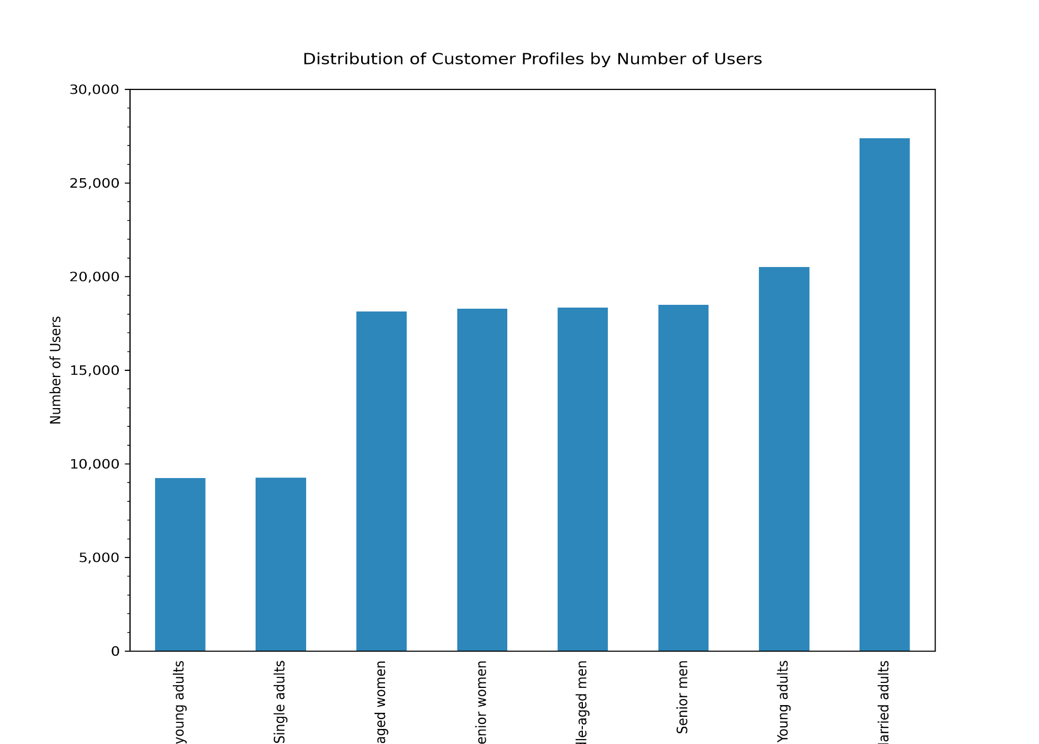
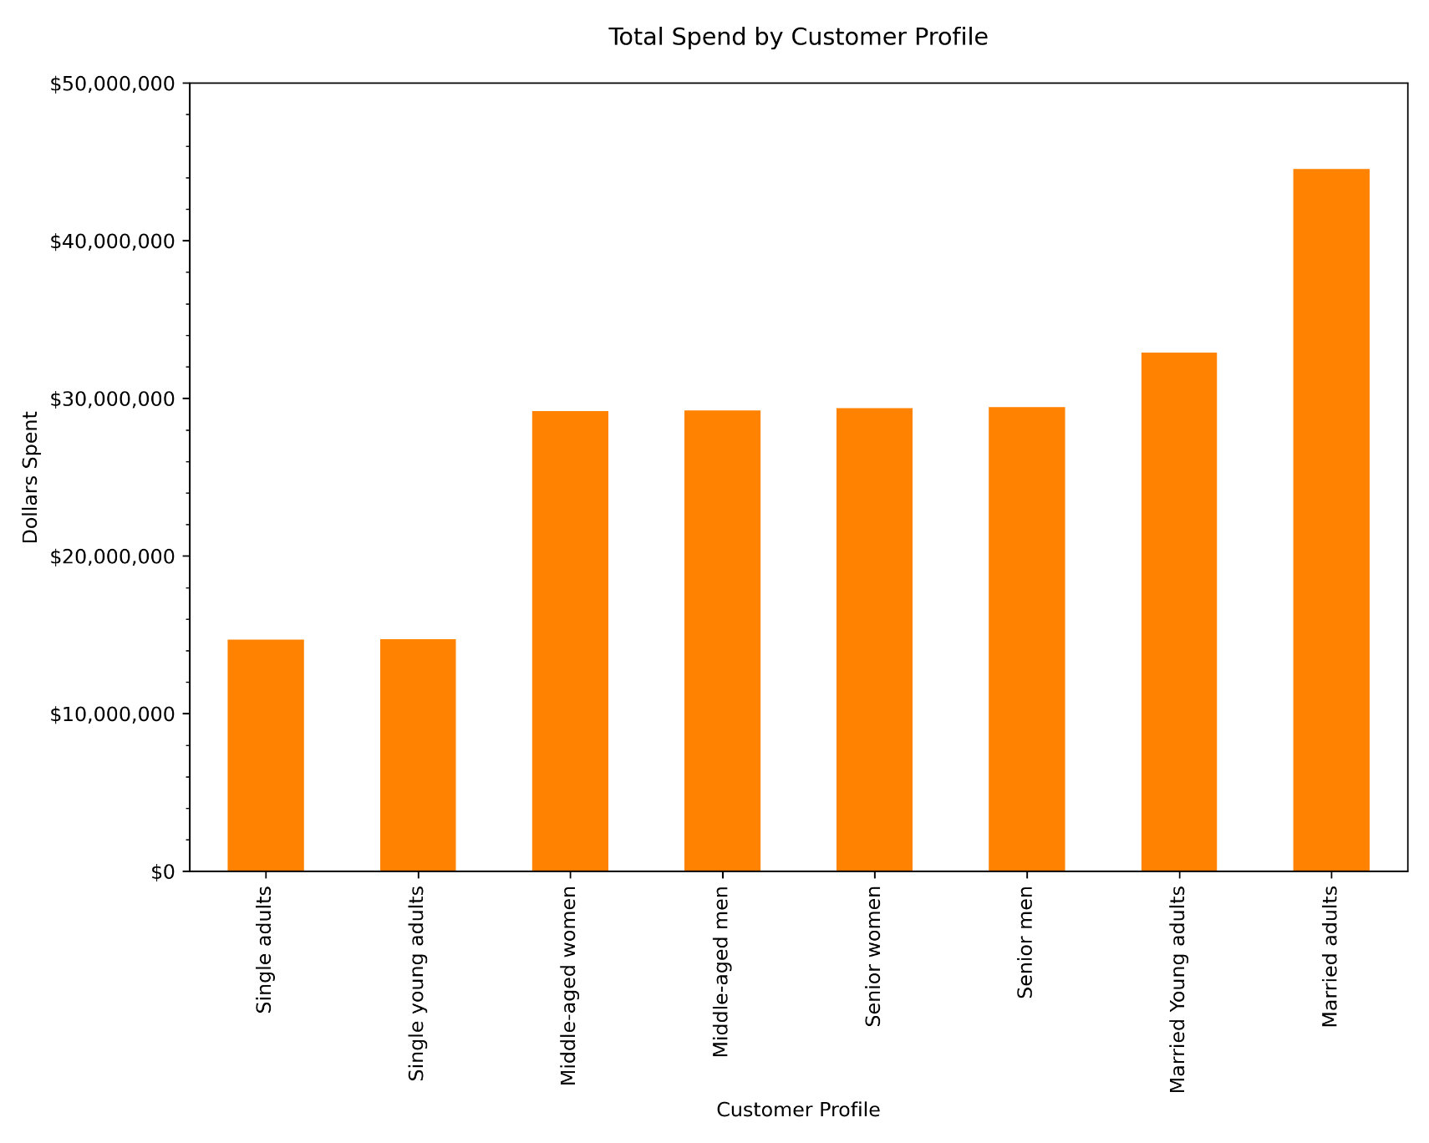
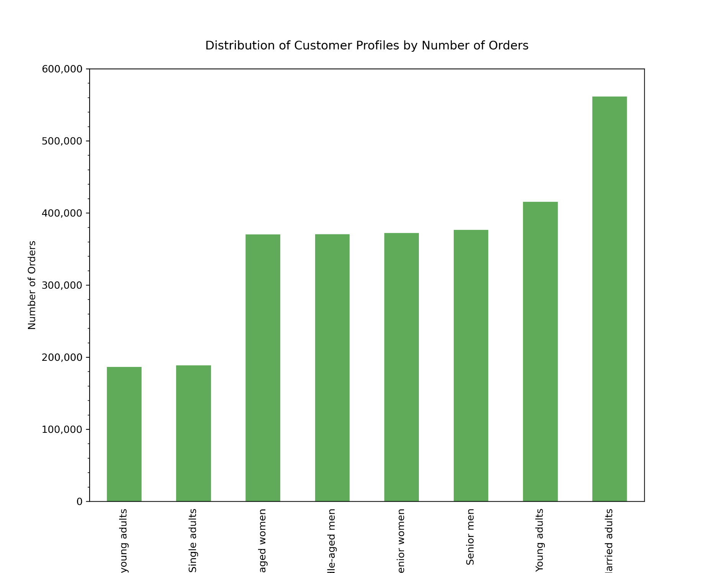
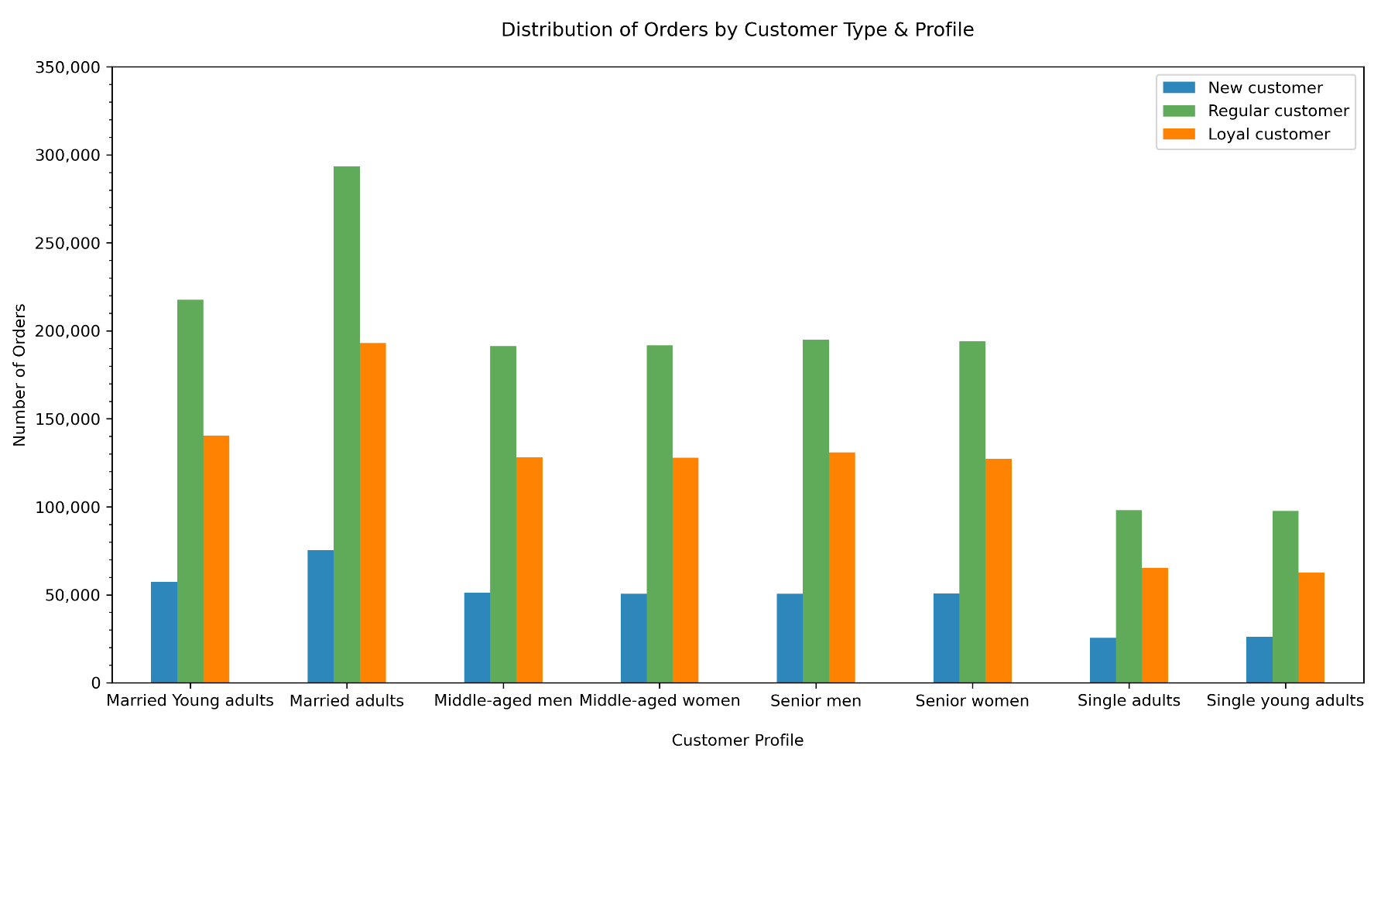
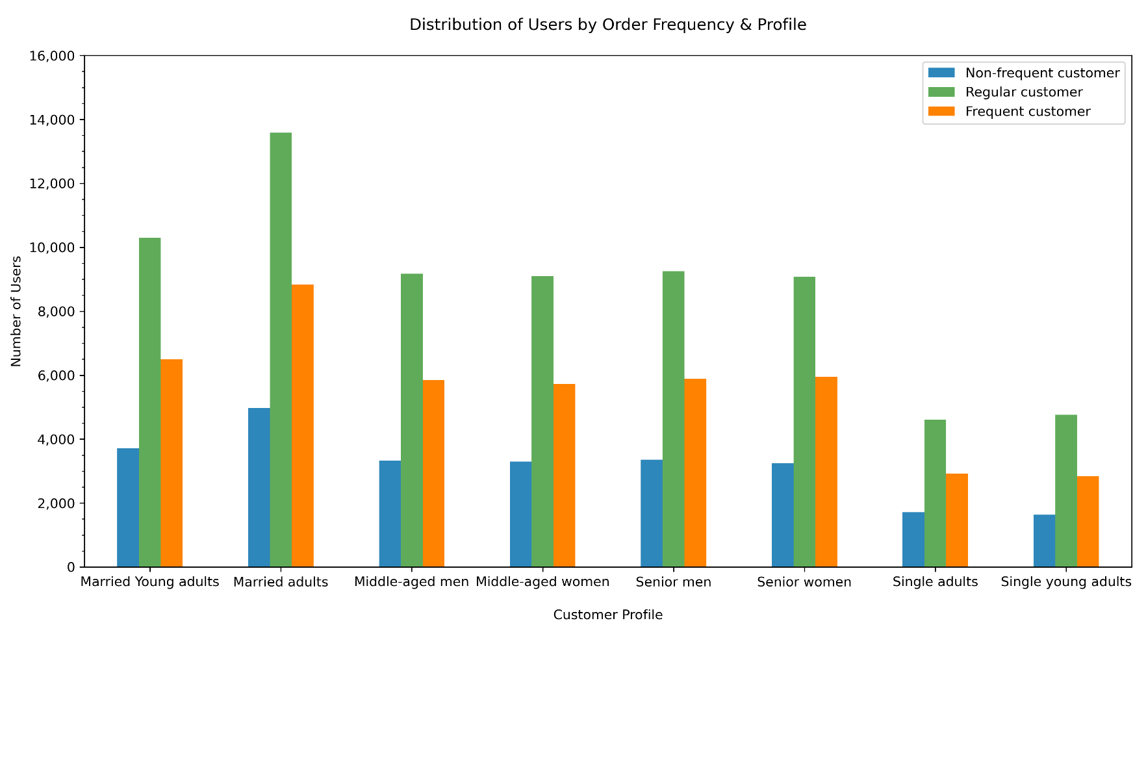
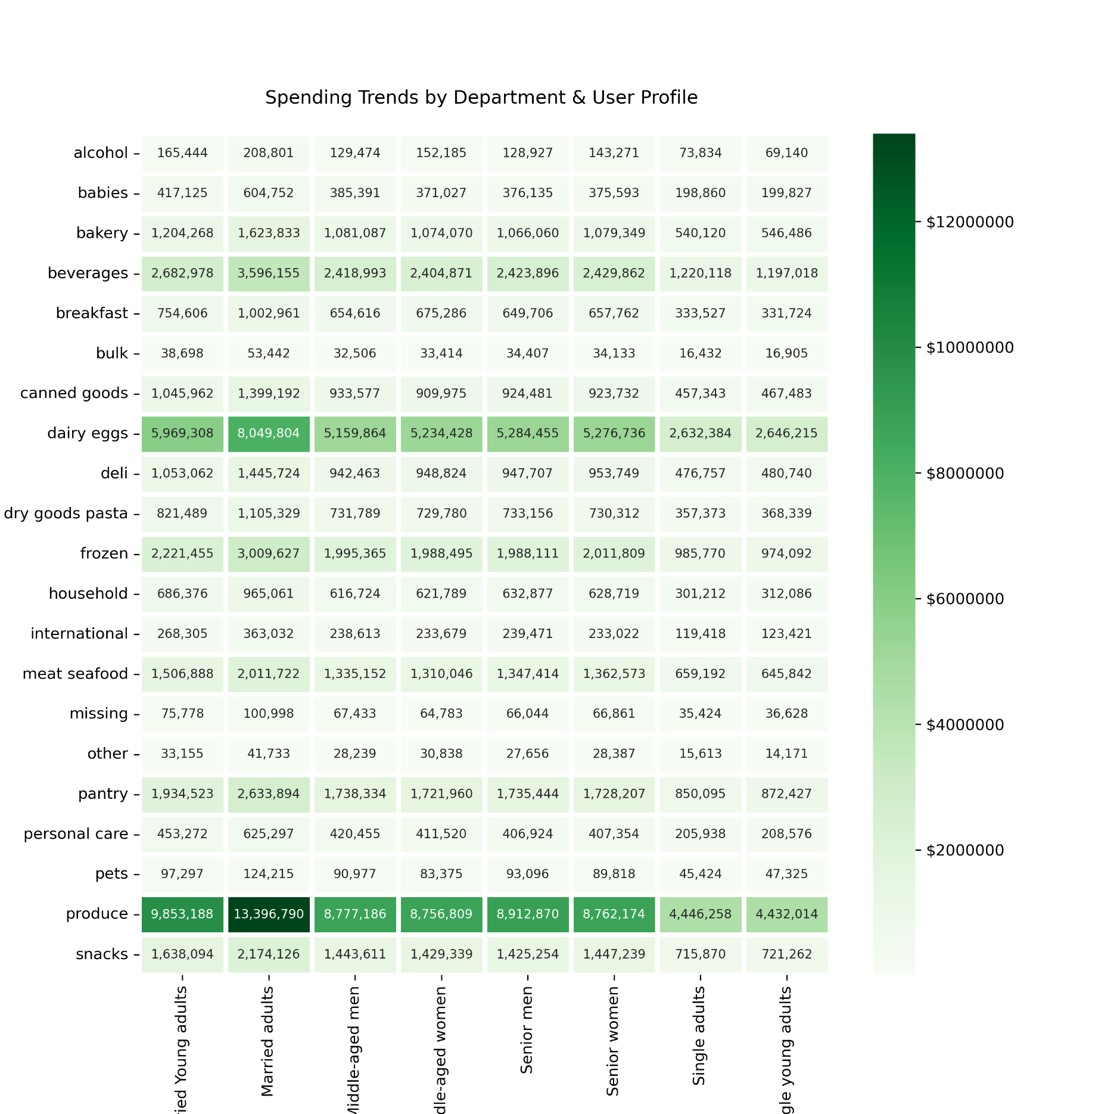
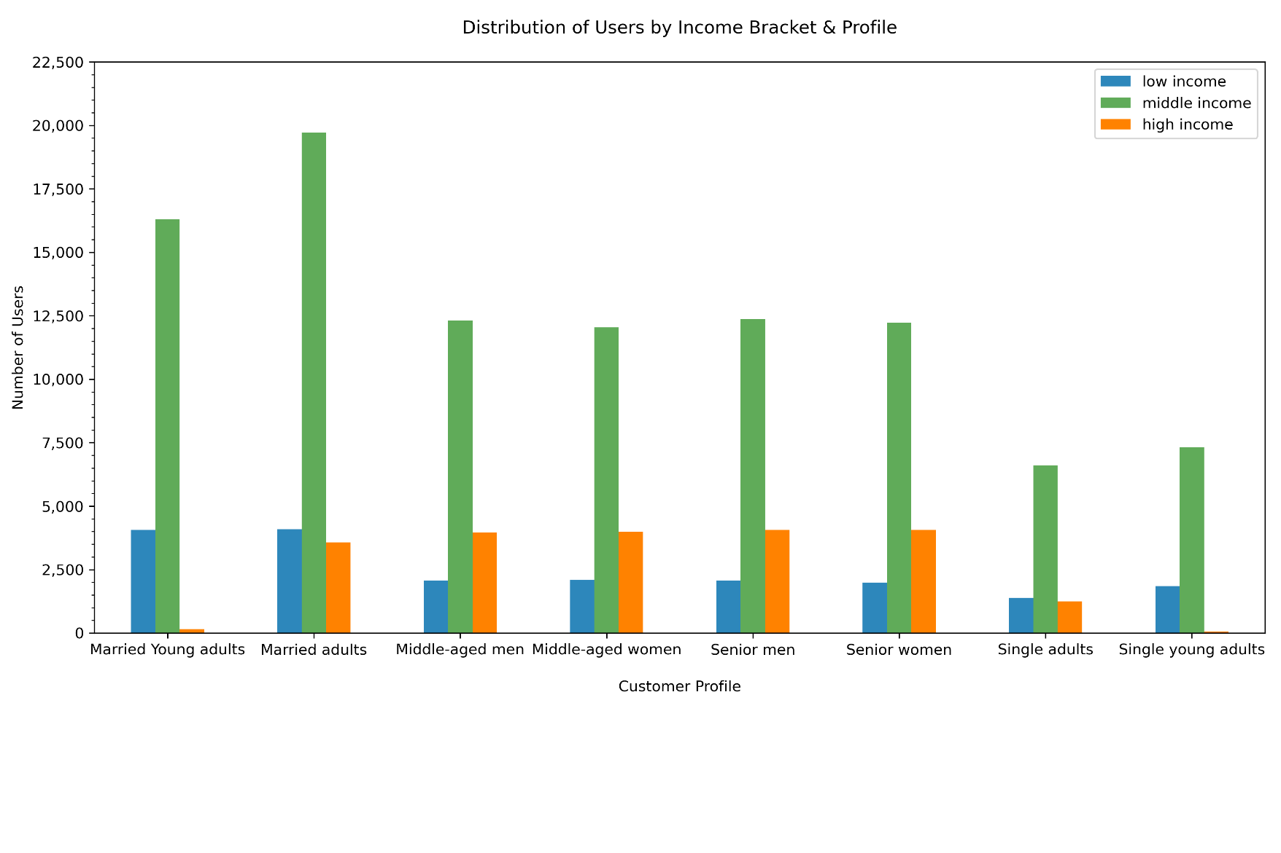
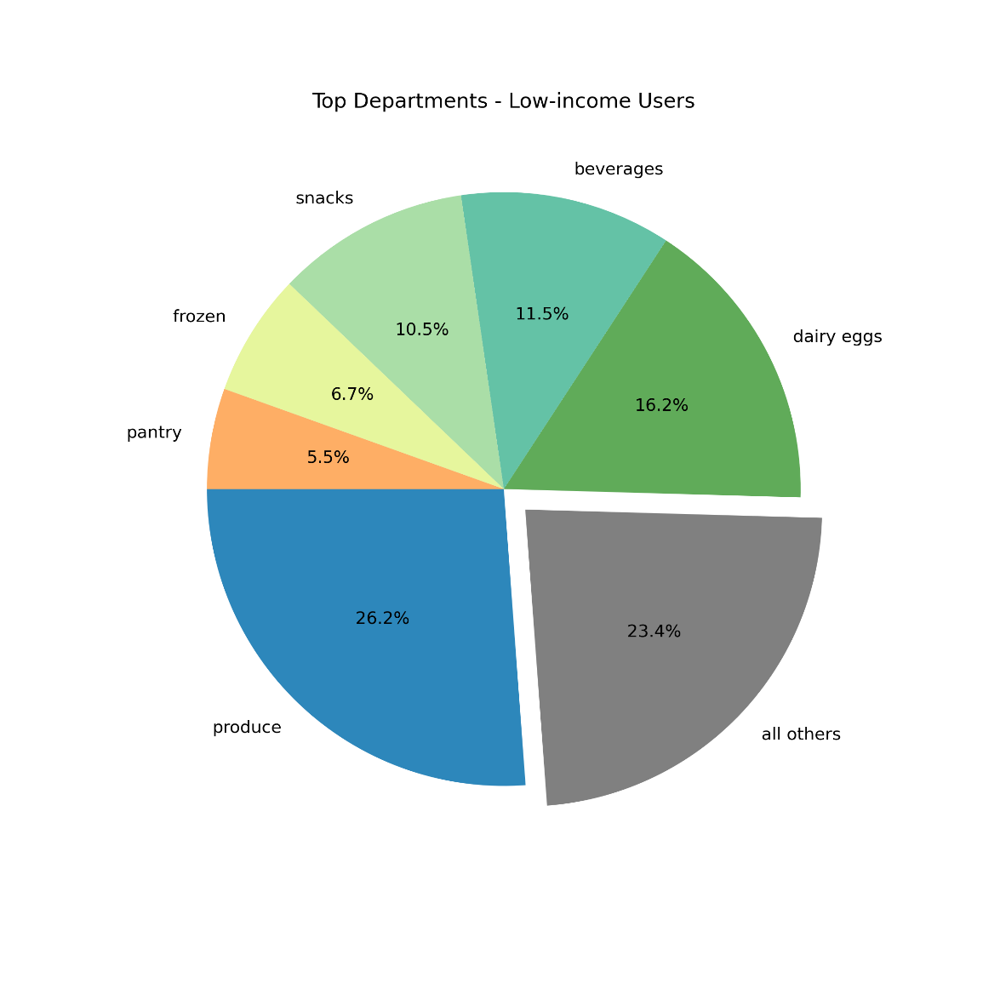
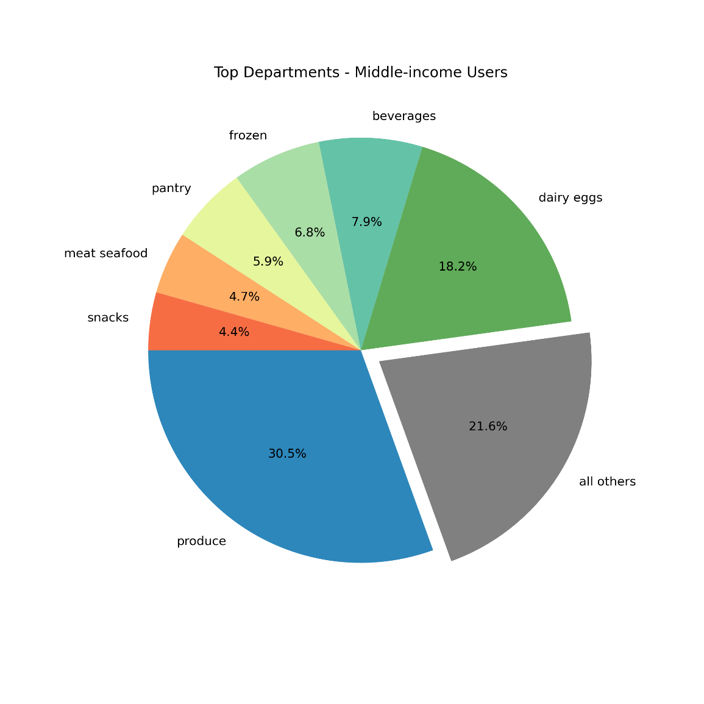
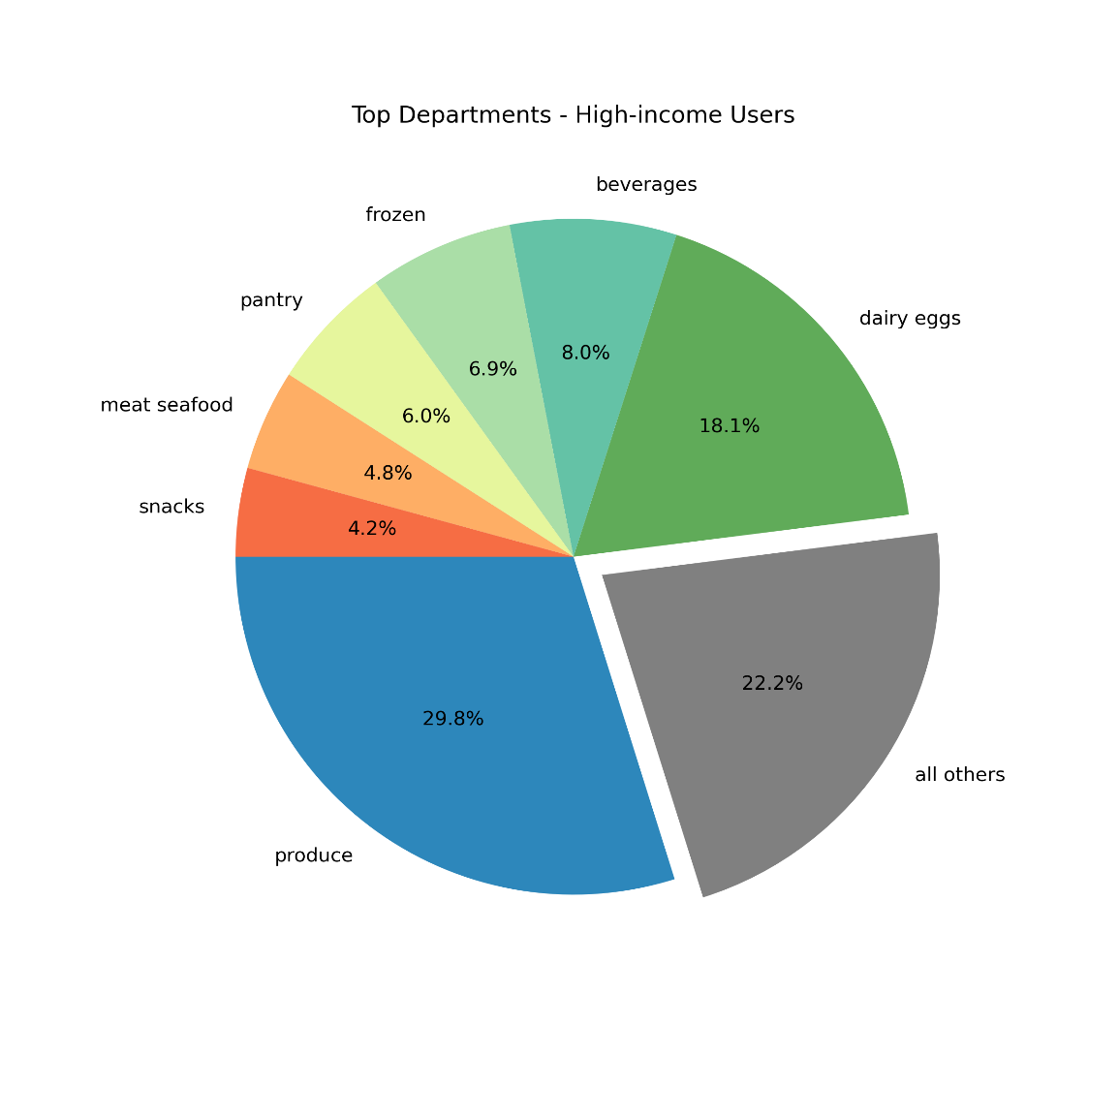
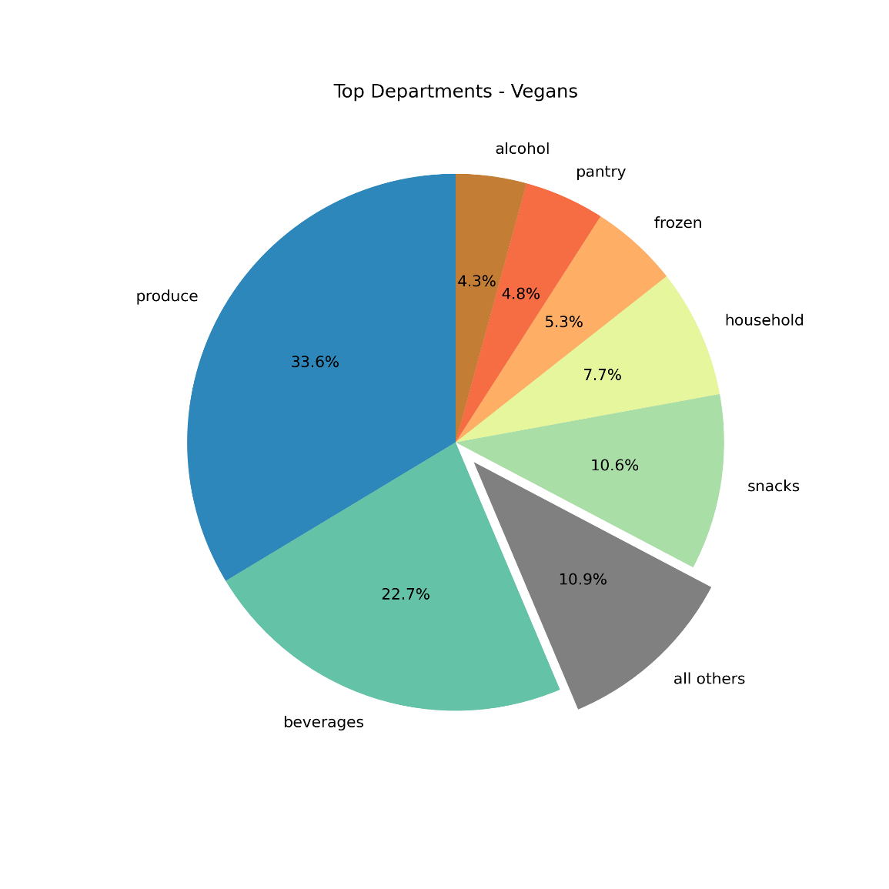
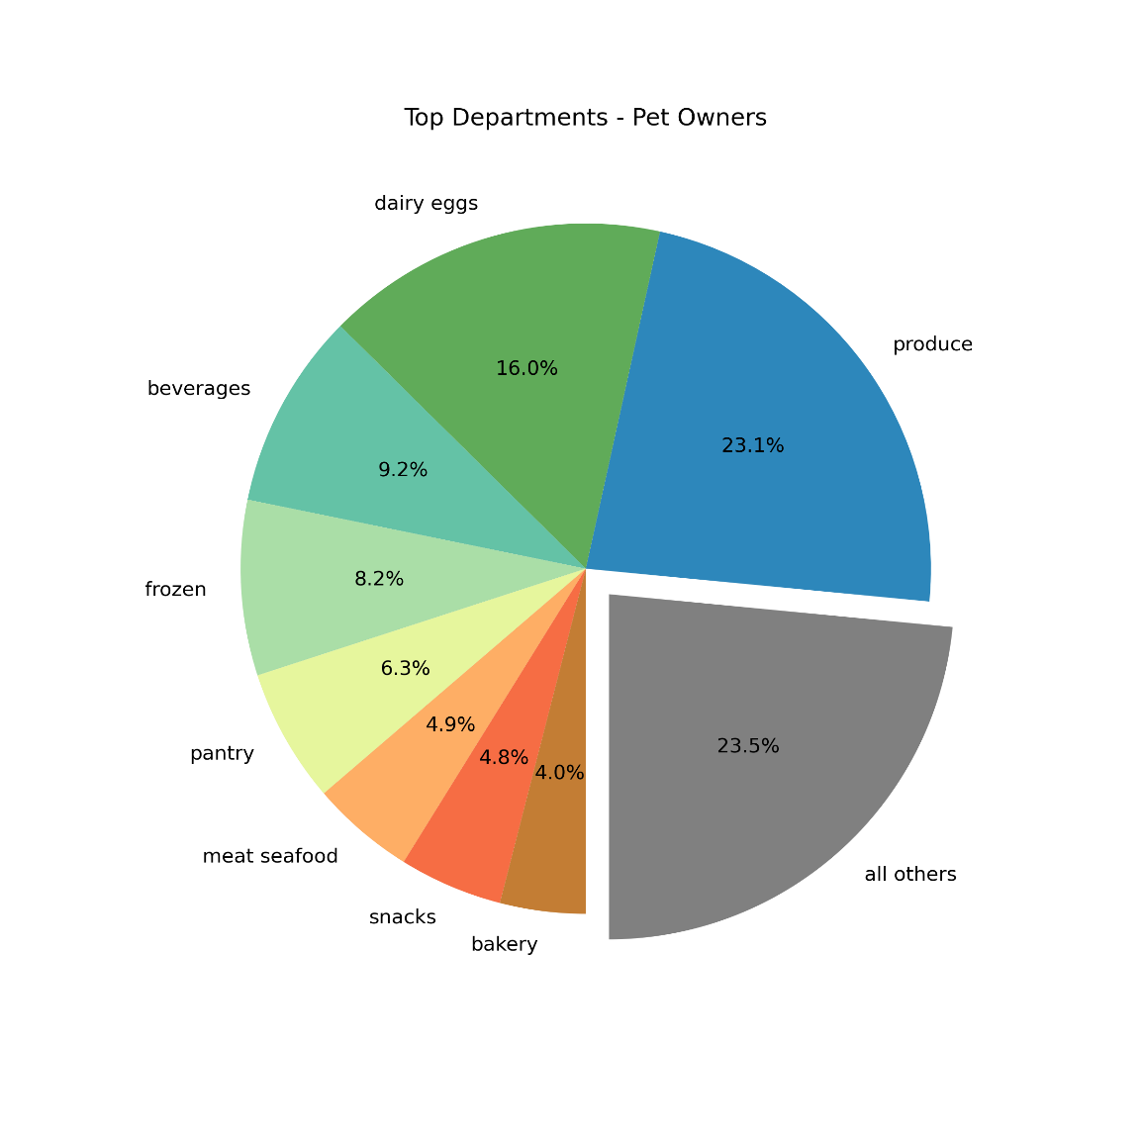
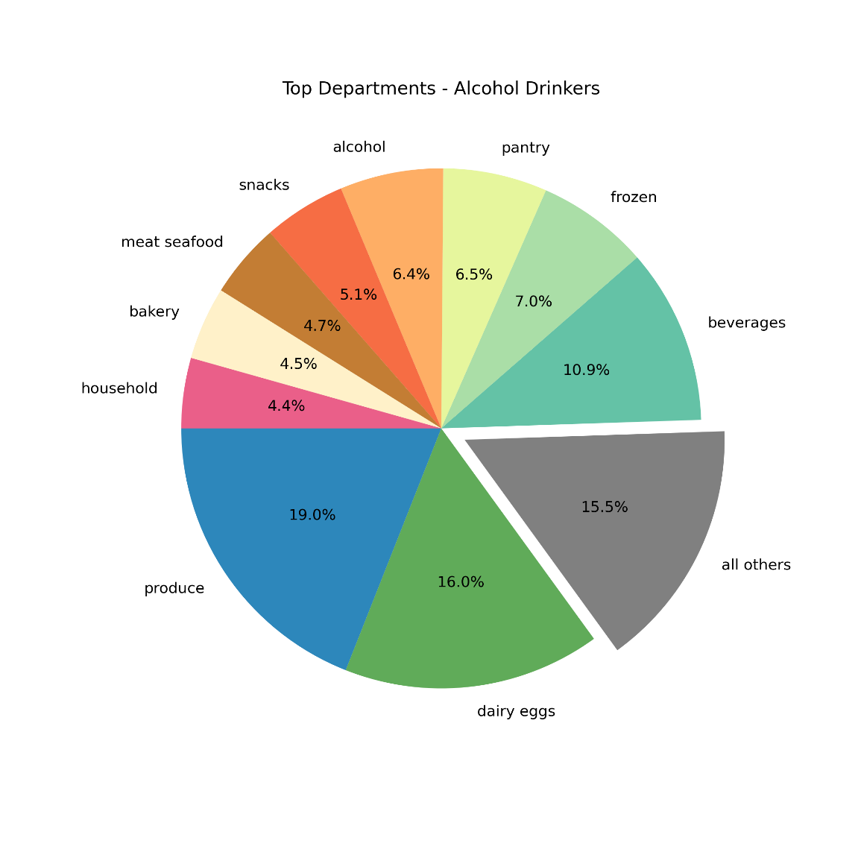
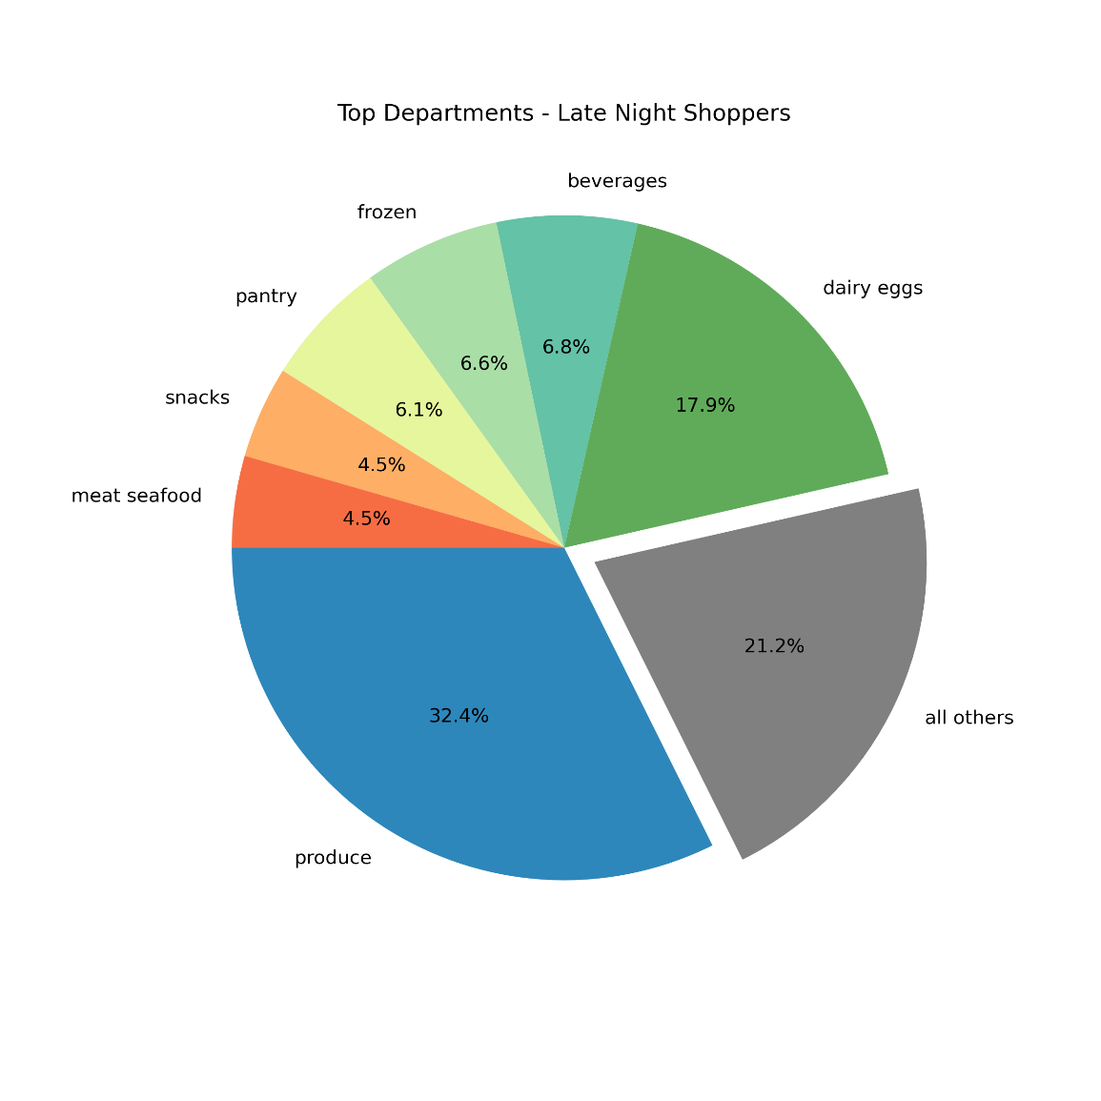
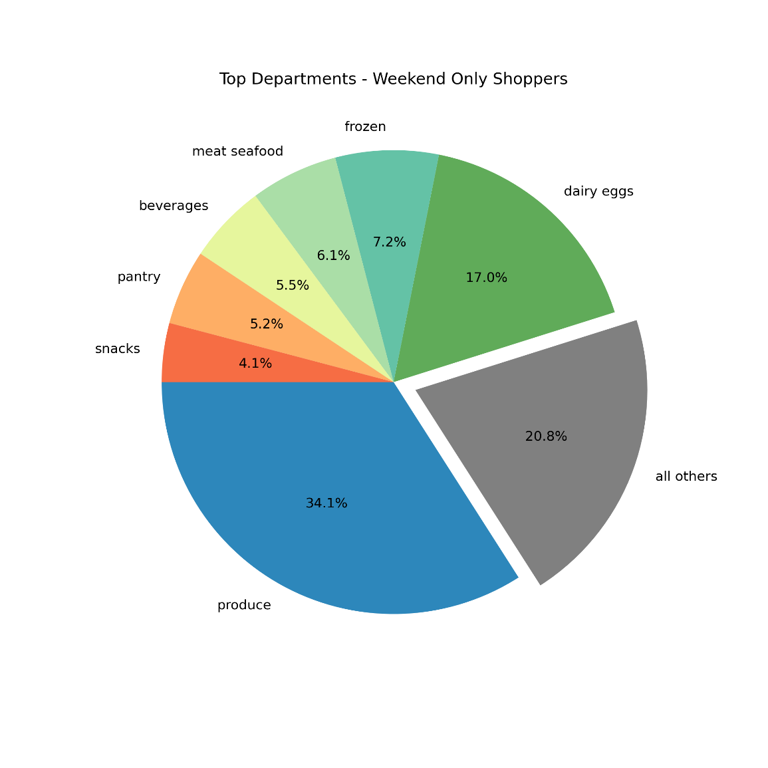
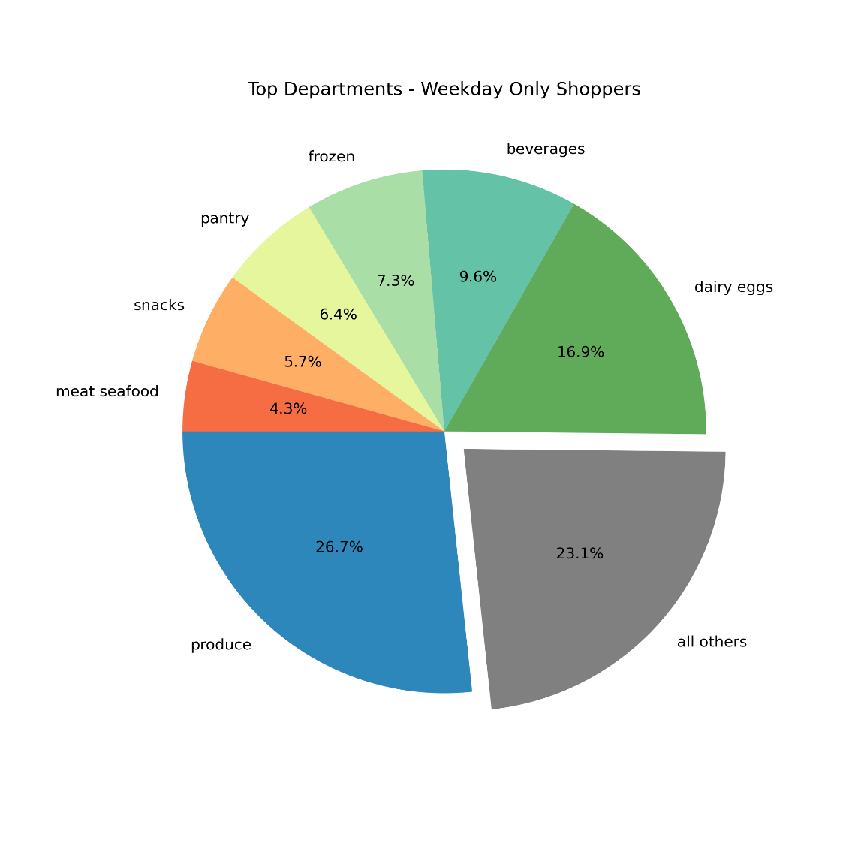

Title page

Visualisations

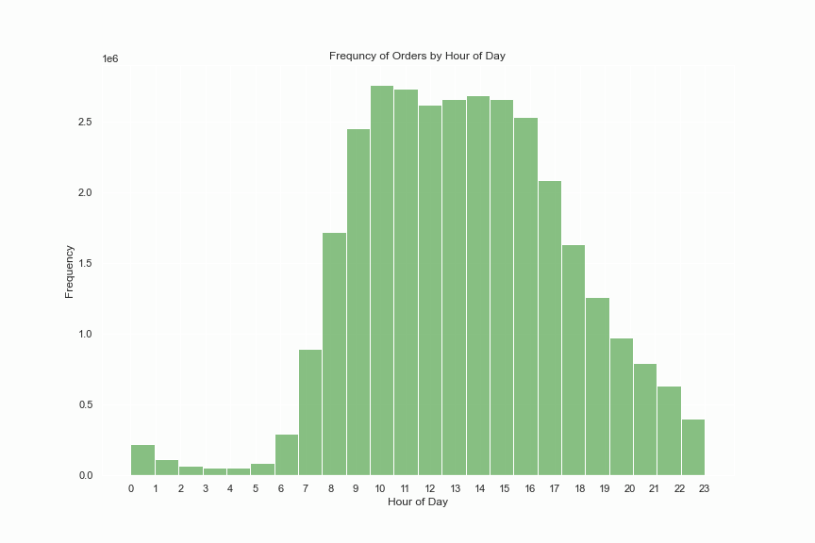
Key Question 1
The sales team needs to know what the busiest days of the week and hours of the day are (i.e., the days and times with the most orders) in order to schedule ads at times when there are fewer orders

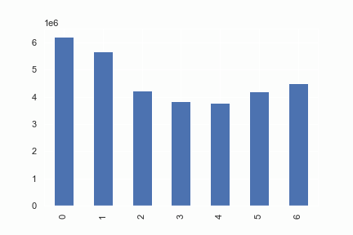

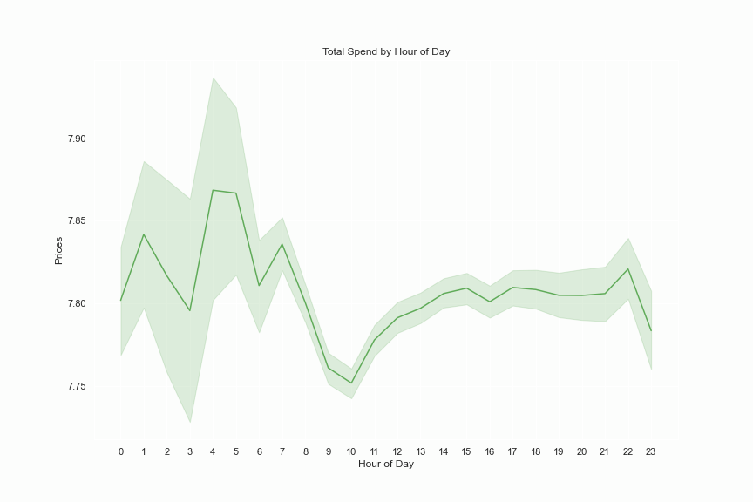
Key Question 2
The sales team want to know whether there are particular times of the day when people spend the most money, as this might inform the type of products they advertise at these times.



Key Question 3
Instacart has a lot of products with different price tags. Marketing and sales want to use simpler price range groupings to help direct their efforts.

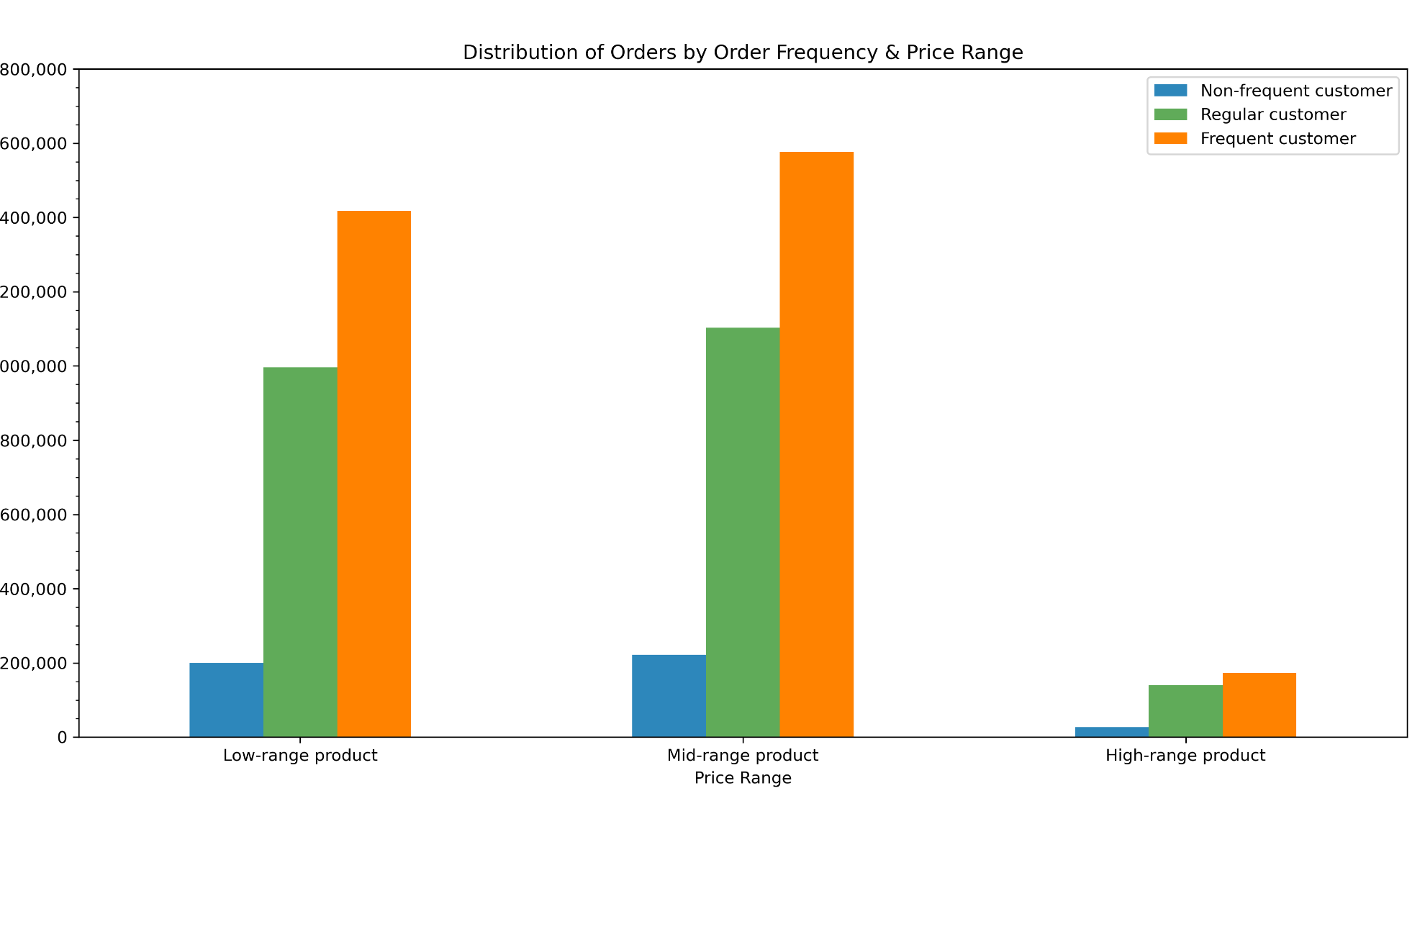

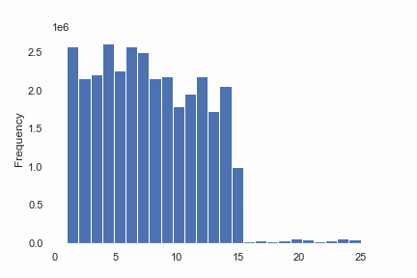

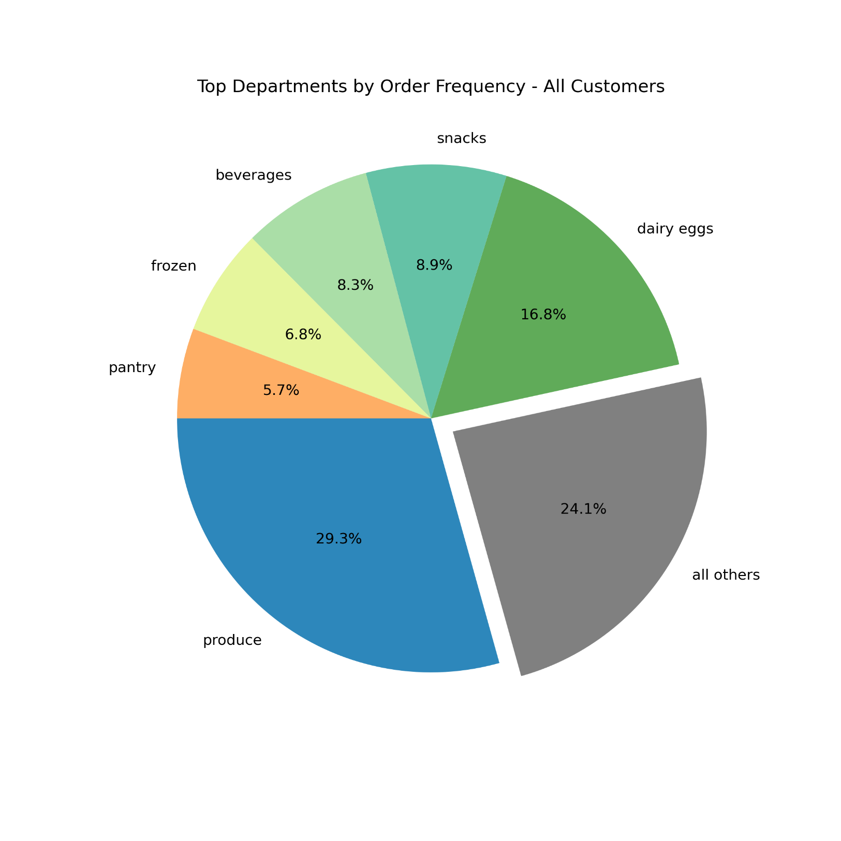
Key Question 4
The marketing and sales teams want to know which departments have the highest frequency of product orders

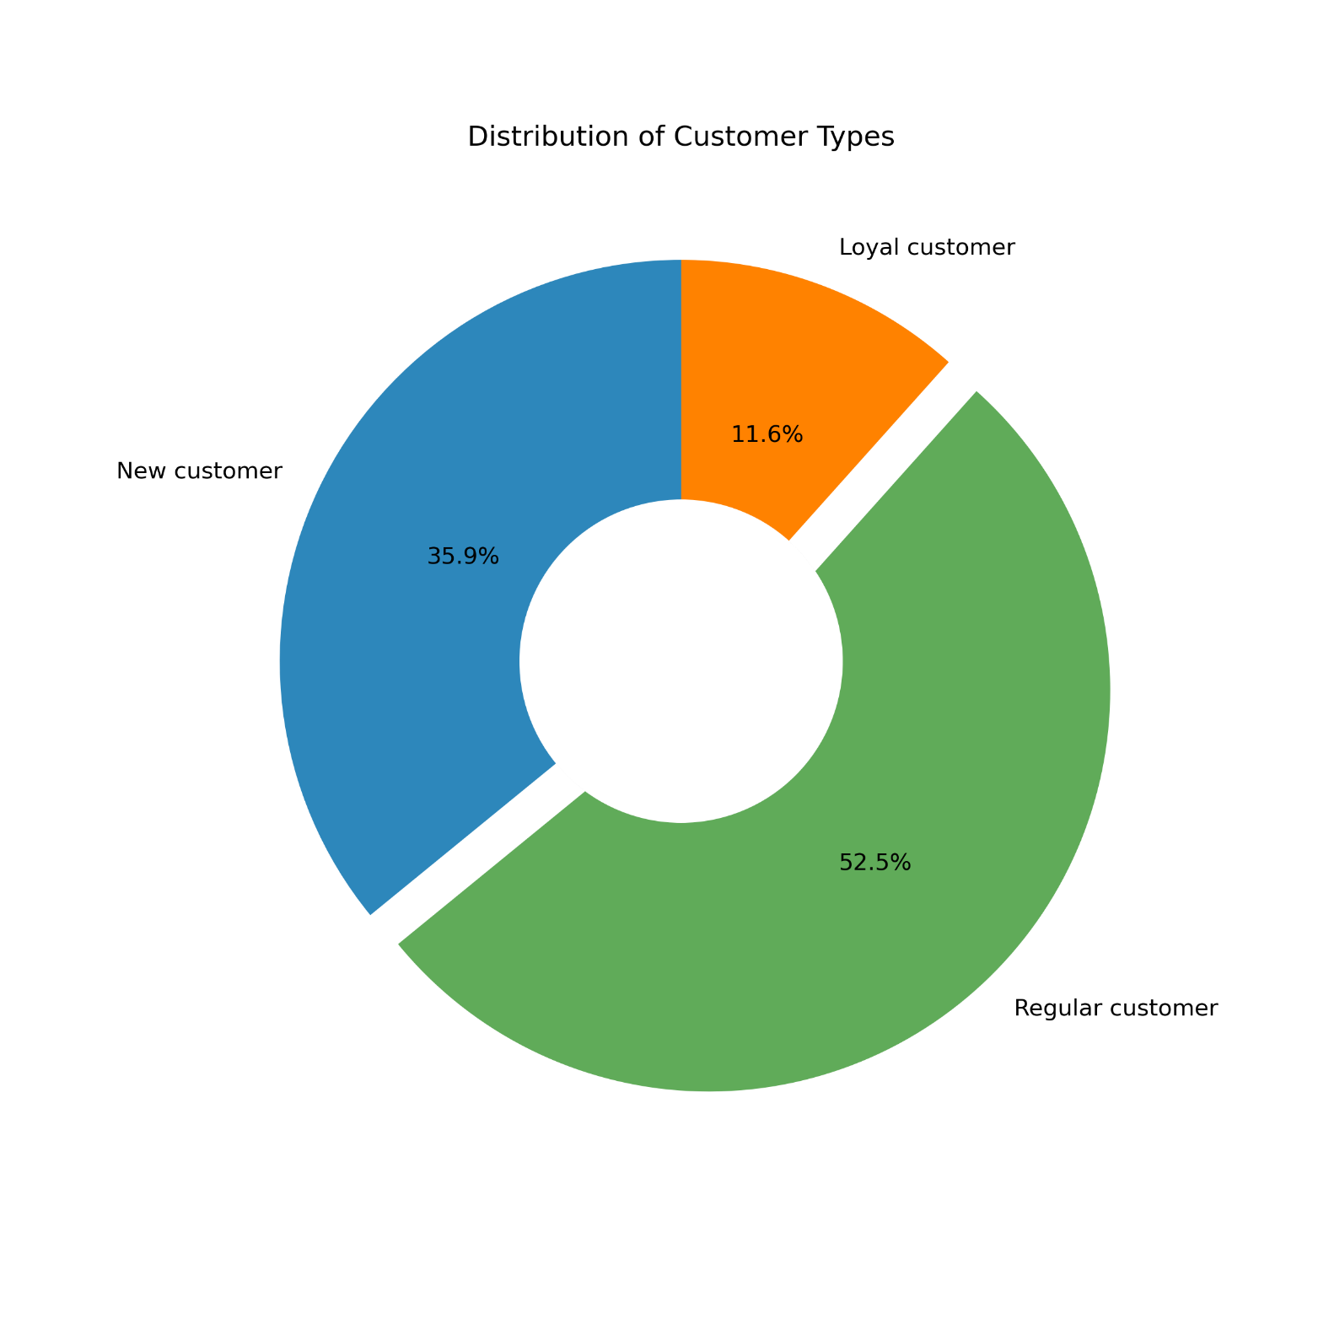

Key Question 5
What’s the distribution among users in regards to their brand loyalty

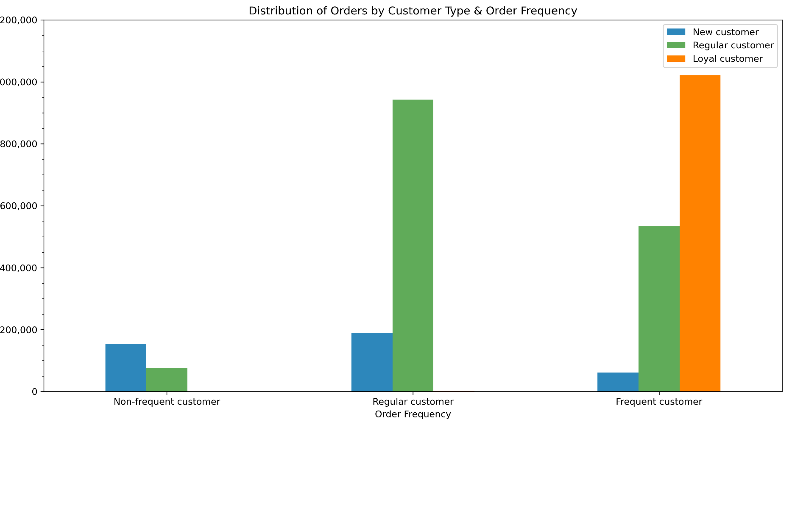
Key Question 6
Are there differences in ordering habits based on a customer’s loyalty status?

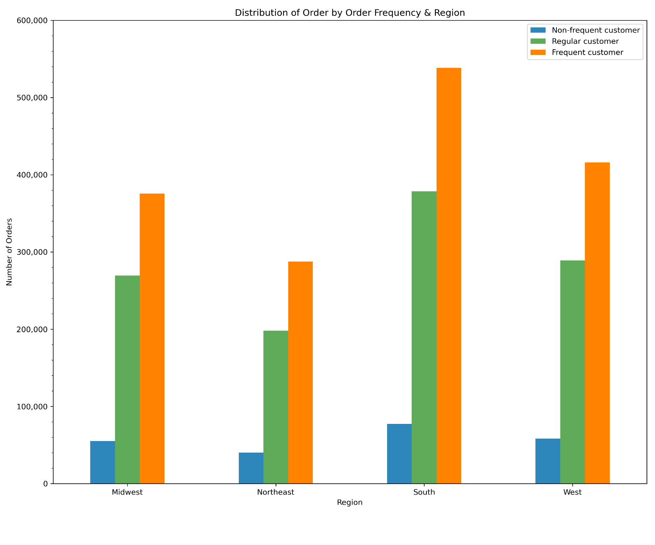
Key Question 7
Are there differences in ordering habits based on a customer’s region?

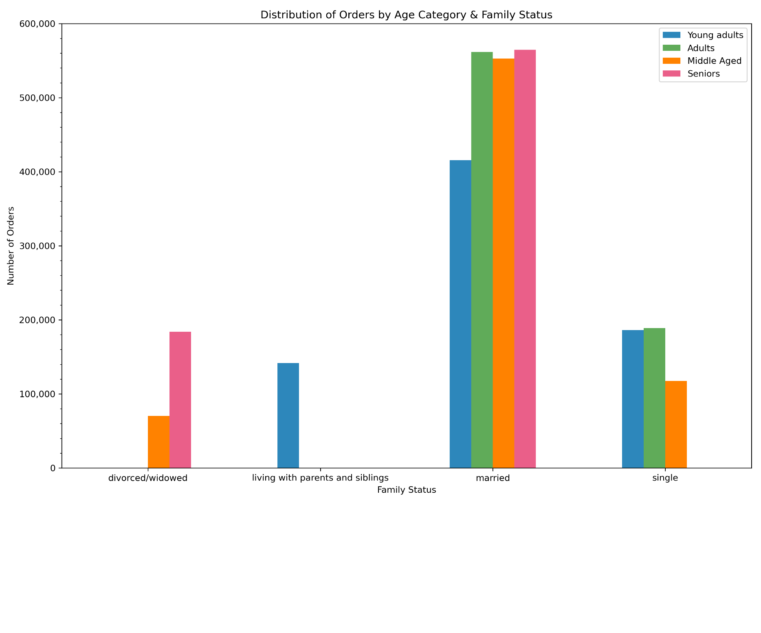
Key Question 8
Is there a connection between age and family status in terms of ordering habits?



Key Question 9
What differences can you find in ordering habits of different customer profiles?

7. Recommendations
Recommendations

Key Question 1
The sales team needs to know what the busiest days of the week and hours of the day are (i.e., the days and times with the most orders) in order to schedule ads at times when there are fewer orders
Recommendation
The least busy days of the week are Wednesday & Thursday, and the least busy times of the day are between 12am and 6am and begin to dramtically slow down after 8pm. These days and times would be the best to schedule ads.

Key Question 2
The sales team want to know whether there are particular times of the day when people spend the most money, as this might inform the type of products they advertise at these times.
Recommendation
Customers are spending more on average per item between 12am and 7am. The top department during this time period (as with all other periods) is produce, followed by dairy/eggs, and beverages. High-range products within these deprtments should be advertised during these times.

Key Question 3
Instacart has a lot of products with different price tags. Marketing and sales want to use simpler price range groupings to help direct their efforts.
Recommendation
Most items are priced below $15. The current groupings are: Low-range products less than or equal to $5, Mid-range products greater than $5, but less than $15, and High-range products greater than $15. Splitting items between less than $15 and greater than $15, or 'Regular Product' & 'Premium Product' would simplify pricing scales.

Key Question 4
The marketing and sales teams want to know which departments have the highest frequency of product orders
Recommendation
Between all customers, and all individual customer profiles excluding vegans, produce, dairy/eggs, and beverages were the top three departments. Produce is also the highest grossing department across all profiles and regions. Particular focus should be placed on produce, dairy/eggs and beverages to drive revenue.

Key Question 5
What’s the distribution among users in regards to their brand loyalty
Recommendation
Regular customers account for just over half of all users on the platform at 52.5%. New customers account for 35.9% of users, and loyal customers account for just 11.6%. Focus should be to convert New customers into Regular customers, and Regular customers into Loyal customers by implimenting a rewards programs based on the number of order placed.

Key Question 6
Are there differences in ordering habits based on a customer’s loyalty status?
Recommendation
Frequent and Loyal customers place the most orders on the platform. Regular customers who use the sevice regularly and frequently have the second most orders. New customers place the least in all categories. Converting customers into Regular, or ideally Frequent customers will ensure more orders are placed.

Key Question 7
Are there differences in ordering habits based on a customer’s region?
Recommendation
The South currently leads in all ordering categories, with the West and Midwest following behind. The most oppurtunity lies in the Northeast. Additional analysis of regional and national competitors would be advised for this region in order to understand the low number of users and orders within the region.

Key Question 8
Is there a connection between age and family status in terms of ordering habits?
Recommendation
Married individuals across all age brackets placed the most orders. Within this category, seniors placed the most orders, followed by Adults, Middle Aged, and Young Adults. Targeting young adults while living at home or single young adults, adults and middle aged adults, could increase these low performing categories and create a longer customer lifecycle. Additional analyses of divorced/widowed seniors and competitors' services would be reccomended to increase user rates (targeting senior-focused paid services both regionally and nationally)

Key Question 9
What differences can you find in ordering habits of different customer profiles?
Recommendation
Ads should be targeted to user profiles based on profile type. For example, customers calssified as 'Vegans' should receive relevant advertisement for Produce, Beverages and Snacks based on the popularity of these departments within this profile. Produce remains the top department across all user profiles and should receive the most priority. Offering users surveys to better determine the reliability and accuracy of these profiles, or to create more relevant and detailed profiles, would be encouraged to ensure that ads are relevant to these individual users.

